Phase advances
Wolfram Fischer, BNL, C-AD, 5-Jan-2005

Phase advances for long-range beam-beam interactions in RHIC

Blue beam (traveling clockwise)
 | b* | DX (out) | IP6 | DX (in) | Q3 (out) | Q4 (in) | DX (out) | IP6 | DX (in) | Q3 (out) | Q4 (in) | Df
 |  | absolute |  |  |  |  | relative to IP |  |  |  |  | DX-Q3 |  | mx | my
 | [m] | [rad/2p] | [rad/2p] | [rad/2p] | [rad/2p] | [rad/2p] | [deg] | [deg] | [deg] | [deg] | [deg] | [deg] |  | [rad/2p] | [rad/2p]
Horizontal |  |  |  |  |  |  |  |  |  |  |  |  | IP6 | 0.000 | 0.000
injection | 10.0 | -0.109 | 0.000 | 0.109 | 0.217 | 0.544 | -39.3 | 0.0 | 39.3 | 78.3 | 195.8 | 38.9 | IP8 | 5.257 | 4.281
store | 5.0 | 13.886 | 14.052 | 14.218 | 14.286 | 14.629 | -59.8 | 0.0 | 59.8 | 84.2 | 207.7 | 24.5 | IP10 | 9.394 | 9.698
store | 3.0 | 9.200 | 9.394 | 9.588 | 9.635 | 10.006 | -69.8 | 0.0 | 69.8 | 86.8 | 220.3 | 16.9 | IP12 | 14.644 | 14.052
store | 1.0 | -0.231 | 0.000 | 0.231 | 0.247 | 0.685 | -83.0 | 0.0 | 83.0 | 88.8 | 246.7 | 5.7 | IP2 | 18.827 | 19.458
store | 0.85 | -0.236 | 0.000 | 0.236 | 0.249 | 0.693 | -85.0 | 0.0 | 85.0 | 89.6 | 249.5 | 4.7 | IP4 | 24.077 | 23.813
store | 0.5 | -0.239 | 0.000 | 0.239 | 0.247 | 0.265 | -86.0 | 0.0 | 86.0 | 88.9 | 95.4 | 2.9 | IP6 | 28.230 | 29.220
Vertical
injection | 10.0 | -0.108 | 0.000 | 0.108 | 0.213 | 0.332 | -39.0 | 0.0 | 39.0 | 76.8 | 119.4 | 37.8
store | 5.0 | 14.479 | 14.644 | 14.809 | 14.874 | 14.940 | -59.4 | 0.0 | 59.4 | 82.8 | 106.6 | 23.4
store | 3.0 | 9.505 | 9.698 | 9.891 | 9.936 | 9.983 | -69.5 | 0.0 | 69.5 | 85.7 | 102.6 | 16.2
store | 1.0 | -0.231 | 0.000 | 0.231 | 0.246 | 0.268 | -83.1 | 0.0 | 83.1 | 88.7 | 96.5 | 5.7
store | 0.85 | -0.234 | 0.000 | 0.234 | 0.247 | 0.266 | -84.2 | 0.0 | 84.2 | 88.9 | 95.8 | 4.7
store | 0.5 | -0.244 | 0.000 | 0.244 | 0.251 | 0.245 | -87.8 | 0.0 | 87.8 | 90.4 | 88.2 | 2.5

(1) For Blue (beam clockwise) going through IP2 or IP10 the phase advances are the same as for IP6.
(2) For Blue (beam clockwise) going through IP4,8,10 exchange horizontal and vertical phase advances from IP6 (due to anti-symmetric IR optics).
(3) For Yellow (beam counter clockwise) going through any IP phase advances in the beam direction are the same as for Blue going through the same IP.

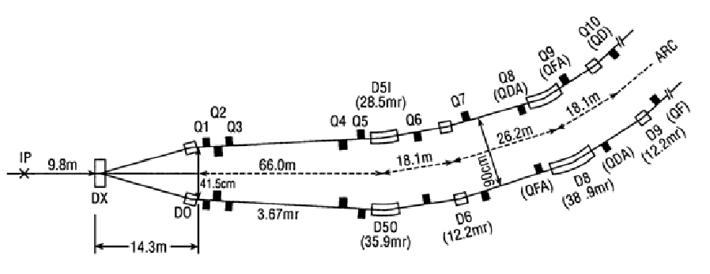

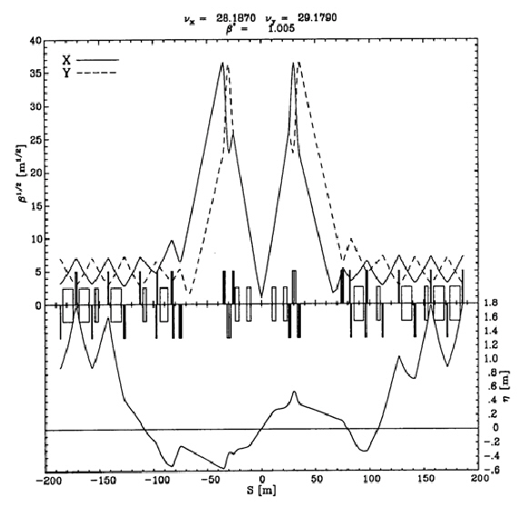

Beam sizes at location of BBLR (s = 40m)
Beam pipe radius |  | 60 | 60 | 60 | [mm]
Normalized emittance |  | 20 | 20 | 20 | [mm.mrad]
Relativistic g |  | 26 | 100 | 250
bx (incoming) |  | 126 | 1140 | 1140 | [m] | = by (outgoing)
by (incoming) |  | 40 | 395 | 395 | [m] | = bx (outgoing)
Hor rms beam size (incoming) |  | 4.0 | 6.2 | 3.9 | [mm] | = rms beam size ver (outgoing)
Ver rms beam size (incoming) |  | 2.3 | 3.6 | 2.3 | [mm] | = rms beam size hor (outgoing)
Hor aperture |  | 14.9 | 9.7 | 15.4 | [s]
Ver aperture |  | 26.5 | 16.5 | 26.1 | [s]
Wire location |  | 50 | 50 | 50 | [mm]
Hor aperture (incoming) |  | 12.4 | 8.1 | 12.8 | [mm] | = ver aperture (outgoing)
Ver aperture (incoming) |  | 22.1 | 13.8 | 21.8 | [mm] | = hor aperture (outgoing)

IP positions
Wolfram Fischer, BNL C-AD, 7-Feb-2006

Orbit position in IR6 as a function of vertical position bump at IP6

Blue |  |  | Yellow
IP6 |  |  | IP6
vertical |  |  | vertical
bump | bi5-b3 | bi5-b4 | bump | yo5-b3 | yo5-b4
s = 3833.845m | s = 3796.95m | s=3760.65 | s = 3833.845m | s = 3796.95m | s=3760.65
s = 0m | s = 36.895m | s = 73.195m | s = 0m | s = 36.895m | s = 73.195m
[mm] | [mm] | [mm] | [mm] | [mm] | [mm]
-17 | -13.698 | -1.443 | -17 | -19.393 | -2.545
-15 | -12.081 | -1.276 | -15 | -15.093 | -2.021
-10 | -8.040 | -0.938 | -10 | -10.794 | -1.497
-5 | -3.994 | -0.443 | -5 | -6.494 | -0.972
0 | 0.043 | -0.026 | 0 | -2.194 | -0.448
5 | 4.084 | 0.391 | 5 | 2.105 | 0.076
10 | 8.126 | 0.088 | 10 | 6.405 | 0.600
15 | 12.167 | 1.224 | 15 | 10.704 | 1.124
20 | 16.208 | 1.641 | 20 | 15.004 | 1.648

Summary of LR measurements
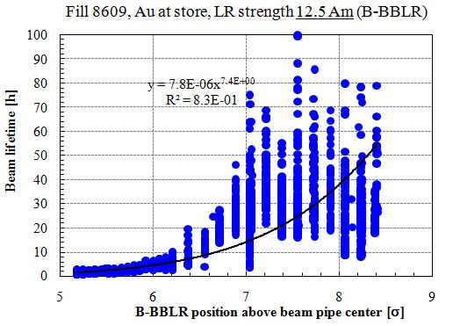
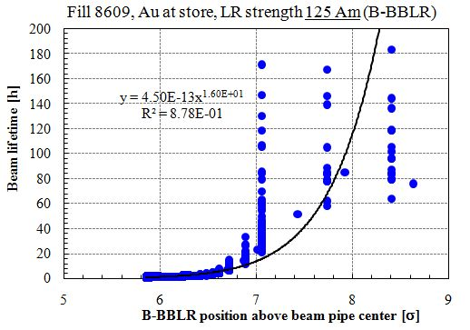
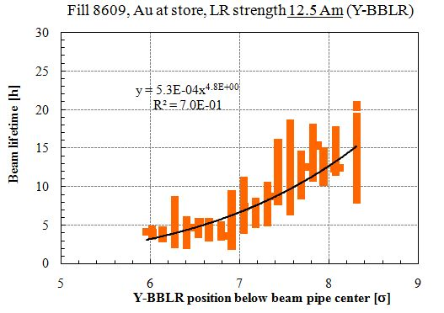
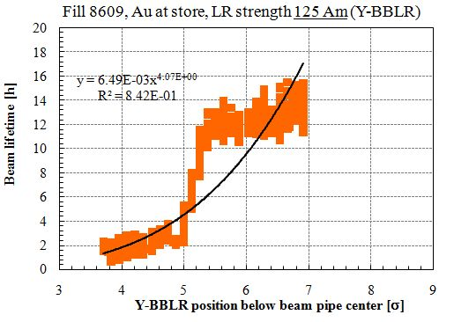
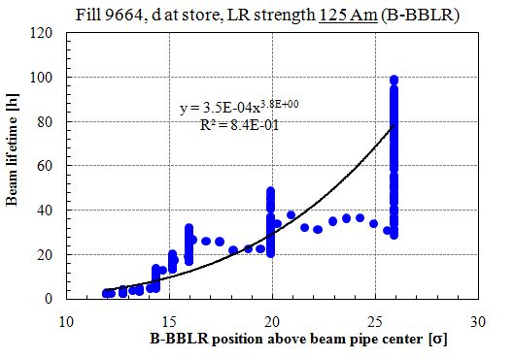
Wolfram Fischer, BNL, C-AD, 2-Sep-2008

Summary of long-range beam-beam measurements in RHIC |  |  |  |  |  |  | Blue |  | Yellow
 |  |  |  |  |  |  | hor tune | ver tune | hor tune | ver tune |  |  |  |  | Fit to L(d) = A dp (tested beam) |  |  | L < 20 h | Fit to L(d) = A dp (moved beam) |  |  | L < 20 h | hor tune | ver tune | measure
date | fillno | ring | scan | species | relativistic g | no of bunches | […] | […] | […] | […] | LR location | LR strength [Am] | LR separation [mm] |  | A [h] | p […] | R2 | d [s] | A [h] | p […] | R2 | d [s] | […] | […]
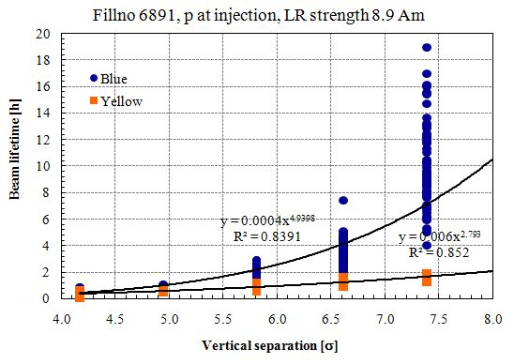
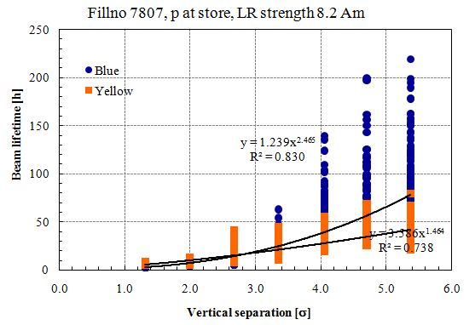
2005-04-28 | 6981 | B & Y | 1 | p | 25.963 | 1/ring | 0.7331 | 0.7223 | 0.7267 | 0.7234 | IP4 | 5.3 | B beam position scanned | weak signal
2005-04-28 | 6981 | B & Y | 2 | p | 25.963 | 1/ring | 0.7351 | 0.7223 | 0.7282 | 0.7233 | IP4 | 5.8 | B beam position scanned | weak signal
2005-04-28 | 6981 | B & Y | 3 | p | 25.963 | 1/ring | 0.7383 | 0.7247 | 0.7271 | 0.7218 | IR4 DX | 8.6 | Y beam position scanned | weak signal
2005-04-28 | 6981 | B & Y | 4 | p | 25.963 | 1/ring | 0.7394 | 0.7271 | 0.7264 | 0.7388 | IR4 DX | 8.9 | Y beam position scanned |  | 0.0004 | 4.9 | 0.84 | 6.5 | 0.006 | 2.8 | 0.85 |  | 0.7394 | 0.7271 | 4.9
2006-04-05 | 7707 | B & Y | 1 | p | 106.597 | 10/ring |  |  |  |  | IR6 DX (sector 5) | 6.7 | B beam position scanned | weak signal, only 1 bunch/ring with LR
2006-04-05 | 7707 | B & Y | 2 | p | 106.597 | 10/ring |  |  |  |  | IR6 DX (sector 5) | 6.7 | Y beam position scanned | weak signal, only 1 bunch/ring with LR
2006-04-12 | 7747 | B & Y | 1 | p | 106.597 | 8 B/10 Y |  |  |  |  | IR6 DX (sector 5) | 7.9 | B beam position scanned | weak signal, only 1 bunch/ring with LR
2006-04-12 | 7747 | B & Y | 2 | p | 106.597 | 8 B/10 Y |  |  |  |  | IR6 DX (sector 5) | 7.0 | Y beam position scanned | weak signal, only 1 bunch/ring with LR |  |  |  |  |  |  |  |  | 0.7092 | 0.6966 | 1.5 | from row below
2006-05-03 | 7807 | B & Y | 1 | p | 106.597 | 12/ring | 0.6912 | 0.6966 | 0.7092 | 0.6966 | IR6 DX (sector 5) | 8.2 | Y beam position scanned | all bunches with LR, arc octupoles on in Yellow with 4e-3 m^-3 | 1.24 | 2.5 | 0.83 | 3.5 | 3.39 | 1.5 | 0.74 | 3.5 | 0.6912 | 0.6966 | 2.5
2007-03-13 | 8231 | B | 1 | Au | 10.520 | 6 | 0.2327 | 0.2141 |  |  | B-BBLR | 12.5 | B-BBLR position scanned |  | 3.3E-05 | 7.2 | 0.97 | 6.5 |  |  |  |  | 0.2327 | 0.2141 | 7.2
2007-03-13 | 8231 | B | 1 | Au | 10.520 | 6 | 0.2322 | 0.2140 |  |  | B-BBLR | 125.0 | B-BBLR position scanned |  | 7.9E-07 | 7.8 | 0.97 | 9.0 |  |  |  |  | 0.2322 | 0.2140 | 7.8
2007-03-27 | 8405 | B | 1 | Au | 107.369 | 56 | 0.2260 | 0.2270 |  |  | B-BBLR | 125.0 | B-BBLR position scanned | test effect on background: increased observed | 2.7E-02 | 1.7 | 0.79 | 15.0 |  |  |  |  | 0.2260 | 0.2270 | 1.7
2007-04-25 | 8609 | B | 1 | Au | 107.369 | 23 | 0.2340 | 0.2260 |  |  | B-BBLR | 12.5 | B-BBLR position scanned |  | 7.8E-06 | 7.4 | 0.83 | 6.0 |  |  |  |  | 0.2340 | 0.2260 | 7.4
2007-04-25 | 8609 | B | 2 | Au | 107.369 | 23 | 0.2340 | 0.2260 |  |  | B-BBLR | 125.0 | B-BBLR position scanned |  | 4.5E-13 | 16.0 | 0.88 | 5.5 |  |  |  |  | 0.2340 | 0.2260 | 16.0
2007-04-25 | 8609 | Y | 1 | Au | 107.369 | 23 |  |  | 0.2280 | 0.2350 | Y-BBLR | 12.5 | Y-BBLR position scanned |  |  |  |  |  | 5.3E-04 | 4.8 | 0.70 | 9.0 | 0.2280 | 0.2350 | 4.8
2007-04-24 | 8609 | Y | 2 | Au | 107.369 | 23 |  |  | 0.2280 | 0.2350 | Y-BBLR | 125.0 | Y-BBLR position scanned |  |  |  |  |  | 6.5E-03 | 4.1 | 0.84 | 7.5 | 0.2280 | 0.2350 | 4.1
2007-05-09 | 8727 | B | 1 | Au | 107.369 | 23 | 0.2200 | 0.2320 |  |  | B-BBLR | 12.5 | B-BBLR position scanned |  | 1.7E-04 | 5.2 | 0.95 | 9.5 |  |  |  |  | 0.2200 | 0.2320 | 5.2
2007-05-09 | 8727 | B | 2 | Au | 107.369 | 23 | 0.2200 | 0.2320 |  |  | B-BBLR | 125.0 | B-BBLR position scanned |  | 1.6E-07 | 8.1 | 0.97 | 10.0 |  |  |  |  | 0.2200 | 0.2320 | 8.1
2007-05-09 | 8727 | Y | 1 | Au | 107.369 | 23 |  |  | 0.2320 | 0.2280 | Y-BBLR | 12.5 | Y-BBLR position scanned |  |  |  |  |  | 1.2E-03 | 6.3 | 0.7 | 4.5 | 0.2320 | 0.2280 | 6.3
2007-05-09 | 8727 | Y | 2 | Au | 107.369 | 23 |  |  | 0.2320 | 0.2280 | Y-BBLR | 125.0 | Y-BBLR position scanned |  |  |  |  |  | 1.8E-06 | 10.8 | 0.88 | 5.0 | 0.2320 | 0.2280 | 10.8
2007-05-09 | 8727 | Y | 3 | Au | 107.369 | 23 |  |  | 0.2320 | 0.2280 | Y-BBLR | 125 - 0 | -29
2007-05-09 | 8727 | Y | 4 | Au | 107.369 | 23 |  |  | 0.2320 | 0.2280 | Y-BBLR | 125.0 | -29 | vert. chromaticity 2 - 8
2007-05-09 | 8727 | Y | 5 | Au | 107.369 | 23 |  |  | 0.2320 | 0.2280 | Y-BBLR | 125 - 0 | -29 | vert. chromaticity at 8
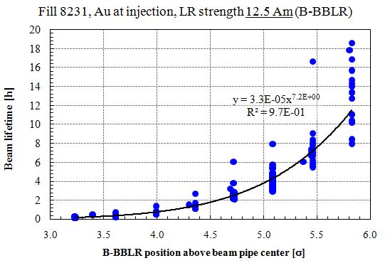
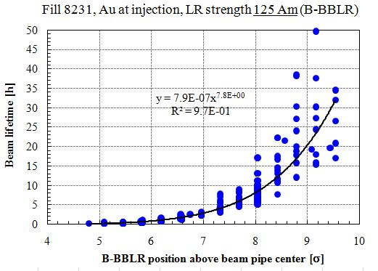
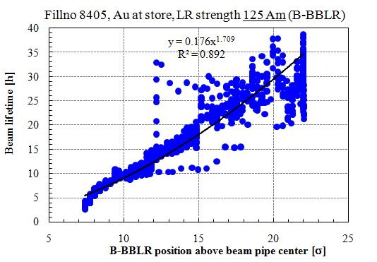
2008-01-28 | 9664 | B | 1 | d | 107.369 | 12 | 0.2288 | 0.2248 |  |  | B-BBLR | 125.0 | B-BBLR position scanned |  | 3.50E-04 | 3.8 | 0.84 | 17.0 |  |  |  |  | 0.2288 | 0.2248 | 3.8
2008-01-28 | 9664 | B | 2 | d | 107.369 | 12 | 0.2288 | 0.2248 |  |  | B-BBLR | 75 - 125 | 26

Other long-range beam-beam measurements
2005-01-09 | 14:35:00 | V. Ptitsyn | See elog
2006-03-29 | 20:19:00 | V. Ptitsyn | See elog | 1 Blue bunch and 108 Yellow bunches at injection, with frequencies unlocked

